Omega_Ratio
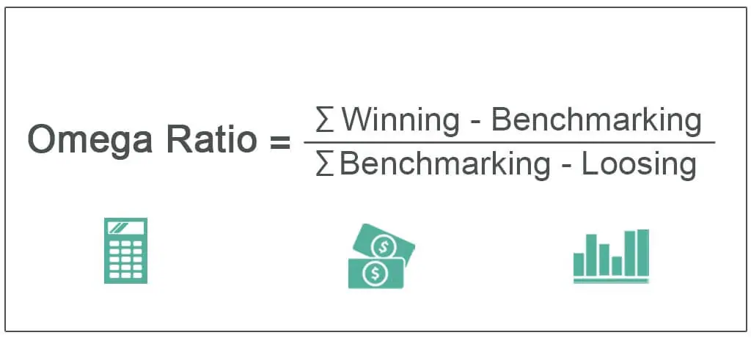
Date | Adj Close | Daily Returns
2021-04-01 | 74.550003
2021-05-01 | 93.769997 | 20.50%
2021-06-01 | 89.980003 | -4.21%
2021-07-01 | 76.980003 | -16.89%
2021-08-01 | 82.050003 | 6.18%
2021-09-01 | 75.550003 | -8.60%
2021-10-01 | 84.019997 | 10.08%
2021-11-01 | 126.099998 | 33.37%
2021-12-01 | 103.160004 | -22.24%
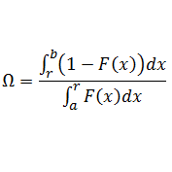
2022-01-01 | 65.860001 | -56.64%
2022-02-01 | 51.57 | -27.71%
2022-03-01 | 46.240002 | -11.53%
2022-04-01 | 30.65 | -50.86%
2022-05-01 | 29.940001 | -2.37%
2022-06-01 | 32.860001 | 8.89%
2022-07-01 | 42.93 | 23.46%
2022-08-01 | 39.110001 | -9.77%
2022-09-01 | 35.84 | -9.12%
2022-10-01 | 44.740002 | 19.89%
2022-11-01 | 31.77 | -40.82%
2022-12-01 | 28.459999 | -11.63%
2023-01-01 | 33.41 | 14.82%

lMin Acc Return | 0.01%
Omega Ratio | 1.9877949196

